Patient Search
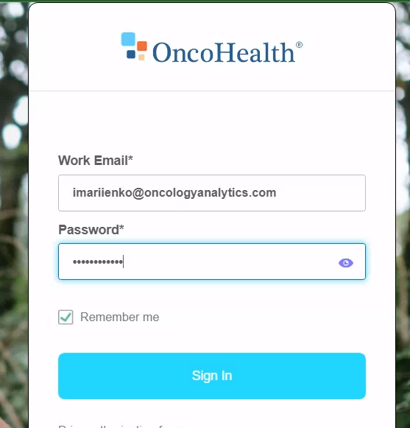
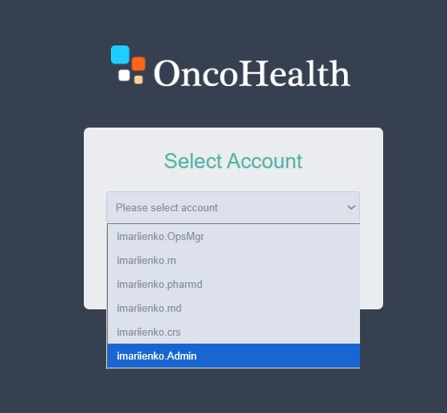
Patient Search
Field Name | Description | Data Type | Validation Rules | Answer Options (if applicable)
Insurance provider | Health plan to search against. | Search | Required. Must be one of the configured plans for the tenant. | Plan list (configured)
Date of birth | Member DOB | Date (MM/DD/YYYY) | Required. Valid date; not in the future; format MM/DD/YYYY. | —
Member ID | Plan member identifier. | Text (alphanumeric) | Conditional required. Provide Member ID OR (First and Last Name). If both ID and Name are entered, system applies a strict match on both. Plan-specific ID format/length (TBD). | —
First Name | Member first name. | Text | Conditional required. Provide Member ID OR (First and Last Name). At least 3 characters (per on-screen hint). | —
Last Name | Member last name. | Text | Conditional required. Provide Member ID OR (First and Last Name). At least 3 characters (per on-screen hint). | —
Search | Runs the eligibility lookup with entered criteria. | Button | Executes Eligibility Check against the selected plan. If both ID and Name provided → strict match. | —
Actions
New Patient | Opens the manual entry form. | Button | Shows New Patient section for manual entry (used when no eligibility match or plan instructs manual create). | —
Clear | Resets all Find Patient inputs. | Button | Clears values to blank/default. | —
Eligibility Check > Single match | Patient exists; demographics provided by payer enrollment file. | System behavior | Auto-populate the New Patient section with returned demographics. | —
Eligibility Check > No match | No member found (ID typo, out-of-date file, missing member). | System behavior | Show “no patient found.” Follow plan workflow: Secondary Benefit Check (if configured) OR contact plan to confirm manual member creation vs send “no active coverage” letter. User may click New Patient to enter manually if plan confirms. | —

Protocol Assignment Form
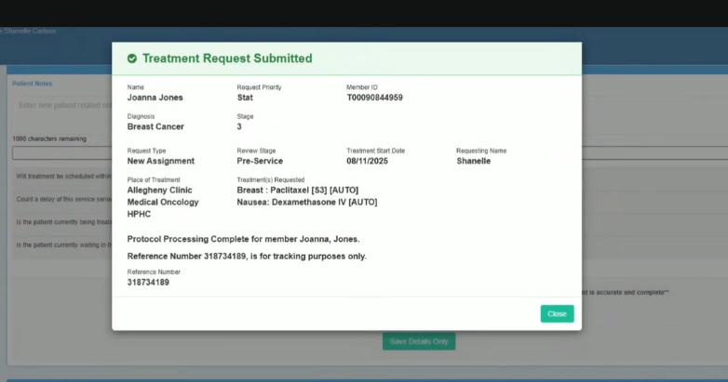
Protocol Assignment Form
Field Name | Description | Data Type | Validation Rules | Answer Options (if applicable)
Patient Information
Search Patient | Search box showing the selected patient (prefilled from New Patient: Last, First DOB – Member ID). Hint text under field shows allowed search keys (Last, First or DOB or Member ID). | Search field | Prefilled. If user searches, patient context changes accordingly. | —
Diagnosis (Dx) | Diagnosis for the request (prefilled from New Patient). | Read-only text | Prefilled; editable only via Edit Patient Info/Diagnosis/Stage button. | —
Stage/Phase | Disease stage/phase (prefilled from New Patient). | Read-only text | Prefilled; editable only via Edit Patient Info/Diagnosis/Stage button. | —
Actions
Edit Patient Info/Diagnosis/Stage | Opens edit flow for patient demographics, Dx, and Stage/Phase. | Button/action | On click, navigates to the edit screen/section. | —
View Eligibility History | Opens the eligibility history for the member. | Button/action | On click, shows eligibility history view. | —
Eligibility Verified | Status pill indicating eligibility verification state. | Read-only status indicator | Display only. (Per banner, system won’t proceed if member not eligible.)
Protocol Assignmemnt
Assignment Type | Choose whether this is a new request or a re-authorization/continuation. | Radio group | Required. Exactly one option selected. | New Assignment, Re-Authorization
Unit of Measure | Sets height/weight units used for BSA calc and dosing (e.g., Standard ft/in/lb). | Dropdown | Required. Allowed values TBD (e.g., Standard, Metric). Changing units recalculates BSA. | Standard (ft/in/lb); Metric (cm/kg) (TBD set)
Height | Patient height; displayed as ft & in when Unit = Standard. | Numeric inputs (ft, in) | Required. Positive values; TBD bounds (e.g., 0–8 ft, 0–11 in). Updates BSA in real time. | —
Weight | Patient weight in selected unit. | Numeric input | Required. Positive value; TBD bounds (e.g., 20–1000 lb or 10–454 kg). Updates BSA. | —
BSA (m²) | Body Surface Area, auto-calculated from height/weight. | Read-only calc | Derived. Read-only. TBD formula (e.g., Mosteller). Recalculates on height/weight/unit change. | —
Contains Part D? | Indicates Medicare Part D involvement. | Checkbox | Optional. | —
Clinical Trial? | Indicates case involves a clinical trial. | Checkbox | Optional. | —
Assign Main Protocol* | Select the primary chemotherapy protocol/regimen for this case. Selecting loads the Dosing Regimen grid below. | Dropdown (searchable) | Required. Options filtered by context TBD (Dx/Stage/LoB/plan). Selecting a protocol loads drugs/dosing. Some protocols are flagged [AUTO] (eligible for auto-approval if member age/Dx/Stage match); non-AUTO will route to clinical review. | List of configured main protocols (e.g., “Breast: Paclitaxel [S3] [AUTO]”)
Dosing Regimen (grid) | Appears after protocol selection; shows drug code, billing method, drug name, route, dose, frequency, schedule, quantity/cycle, cycles, billing units; includes Select NDC… when applicable. | Read-only grid with controls | Derived. Populates from selected protocol. NDC can be selected now or later; becomes required if therapy is billed under Pharmacy benefit (see Billing Method). Billing Method appears for crossover drugs and controls benefit (Medical vs Pharmacy). | See grid fields already documented in your “Dosing Regimen” spec
Drug Code | Billing code shown for the drug. For medical benefit, displays HCPCS J-code (e.g., J9267). If pharmacy benefit is chosen, the NDC becomes the primary billing code for that line. | String (code) | Required. Must be a valid active code for the selected benefit and DOS. Crosswalk HCPCS↔NDC must be valid for the drug. | HCPCS list (medical); NDC list (pharmacy).
Billing Method | How the drug is billed/fulfilled; also where benefit selection happens for crossover drugs. Appears/activates when therapy can be billed medical OR pharmacy. | Enum (string) | Required when therapy is crossover. If set to Pharmacy, NDC becomes required before determination. If Medical (Buy & Bill), HCPCS remains primary. Must be allowed by payer rules. | Buy & Bill (Medical); Pharmacy (Specialty/White Bag/Brown Bag – per payer config).
Benefit (Medical vs Pharmacy) | Explicit indicator of the billing benefit being charged (may be inferred from Billing Method, but shown here for clarity and downstream rules). | Enum (string) | Required (either explicitly or implicitly via Billing Method). Controls which validations/fields become mandatory (e.g., NDC, quantity, units). | Medical; Pharmacy.
Drug Name | Canonical clinical name (e.g., Paclitaxel). | String | Read-only (derived) from protocol/drug mapping; must align with selected code. | —
Route | Route of administration (e.g., IV). | Enum (string) | Required. Must match allowed routes for drug/protocol. | IV, PO, SC, IM, etc. (configured set).
Dose (patient specific) | Prescribed dose per protocol (e.g., 80 mg/m²) and calculated absolute dose (e.g., 144 mg). | Composite (decimal + unit) + calculated value | Required. Positive; calculated via patient BSA/weight and protocol formula/rounding. Enforce min/max policy bounds. | Units: mg/m², mg/kg, mg, mcg, etc.
Frequency | Administration frequency within a cycle (e.g., One time). | Enum (string) | Required. Must match protocol options or pass clinical override. | One time; Daily; Weekly; Q2W; Q3W; etc.
Administration per Cycle (days) – Schedule | Days within each cycle the drug is administered (e.g., 1 day(s) per cycle, day 1). | Structured list (integers) | Required. Day values valid within cycle length; no duplicates unless protocol allows. | Day list (e.g., 1; 1,8,15; 1–5).
Quantity per Cycle / Auth | Total quantity dispensed per cycle and across the authorization. May be N/A for pure HCPCS billing. | Decimal / Decimal | Conditional. Required if Benefit = Pharmacy or payer requires quantity tracking; must equal dose × administrations × cycles (unit-consistent). Optional/hidden for Medical unless payer demands it. | —
Cycles – Cycle Length | Number of cycles and cycle duration (e.g., 12, every 7 days). | Integer + duration (int + unit) | Required. Cycles ≥1; duration unit from allowed set. Payer rules may cap cycles before re-auth. | Duration units: days, weeks.
Billing Units (BU) (Cycle / Auth) | Billing unit label (e.g., 1 mg) and derived counts (e.g., 144 / 1728). | Unit label + decimals | Read-only (derived). If Medical, convert to HCPCS units; if Pharmacy, convert to NDC package units. Apply payer rounding (ceil/floor) consistently. | Determined by HCPCS or NDC package.
Select NDC… | Product-specific selector (brand/generic/biosimilar). Can be deferred by Intake; typically selected later by clinical team. Becomes required if Benefit = Pharmacy or payer mandates product specificity. | Enum (string) | Optional at Intake. Required before decision when Benefit = Pharmacy, or payer requires NDC. Must be active on DOS, match route/strength/package, and belong to allowed formulary for payer/LOB. Prevent selection if conflicts with chosen Billing Method/Benefit. | NDCs constrained to drug/HCPCS mapping and payer formulary. NDC selection workflow: Dosing & drug details populate immediately after protocol selection; NDC can be selected later by the clinical team. If/when Benefit = Pharmacy (via Billing Method), NDC selection becomes required before final determination. Crossover drugs: For therapies billable under medical or pharmacy, this is the stage where the team chooses the benefit (via Billing Method). That choice drives which fields are required (e.g., Quantity, NDC, BU calculations).
Treatment Start Date (Tx Start) | First date the requested therapy is planned to begin. Collected on fax/web forms; drives authorization window and downstream letter content. | Date (YYYY-MM-DD) | Required before submission. Must be a valid calendar date. Must be ≤ configured future threshold (e.g., start within next N days) and ≥ allowed retro window (configurable; verify). Should fall within member eligibility dates (if available). Changing this date recalculates Tx End. Timezone: case/payer default. Configurable/assumed—verify in UAT. | Date picker (no static options).
Treatment End Date (Tx End) | Authorization end date for the regimen. Auto-populated from Start using program rules (chemotherapy typically Start + 6 months). Used for coverage window, scheduling, and letters. | Date (YYYY-MM-DD) | Derived (read-only for most roles). Must be > Tx Start. Recalculates when Tx Start, cycle count/length, or regimen changes. Cannot exceed payer maximum duration (e.g., 6 months for chemo) unless authorized override with reason (if enabled by config). Stored as end-of-day in case timezone. Configurable/assumed—verify in UAT. | N/A (system-calculated).
Actions
Add Additional Main Protocol | Adds another main protocol line if applicable. | Button | Optional. Adds a new protocol selector and corresponding dosing grid.
Assign Ancillary Protocols (if any) | Section header for supportive therapies. | Section label | —
Nausea / Anemia / Neutropenia / Bone-Modifying Agents / Hormone Deprivation / Osteoporosis Management | Optional selectors to add supportive/ancillary regimen lines. Each selection loads its own dosing/drug details. | Dropdowns (one per category) | Optional. Options filtered by context TBD. On select, show dosing grid; NDC/billing method behave as above when applicable.
Add Additional Ancillary Protocols | Adds more ancillary lines beyond the default categories. | Button | Optional. Inserts additional ancillary selectors.
Attach Additional Documents
Attach Additional Documents Here | Section/action area where users upload supporting case files. | UI section | N/A | N/A
Select Document Type | Dropdown to classify the file being attached. Drives routing, visibility, and letter variables. | Enum (string) | Required before upload. Options are payer/client configured. Must match allowed types for the case line of business (LoB). | Examples (configure per payer): Clinical Notes, Pathology Report, Imaging, Lab Results, Treatment Plan, Medication List, Prior Auth Form, Appeal/Peer-to-Peer Notes, Insurance Card, Misc.
Attach | Upload action to add the selected file to the case with the chosen document type. | Button (action) | Requires a selected Document Type and a file. Enforce file constraints: allowed types (e.g., PDF, TIFF, DOCX, PNG/JPG), max size (e.g., 25–50 MB), virus scan pass, PHI policy checks, duplicate detection (same hash/name), and successful OCR/indexing when applicable. | N/A
File Name | Stored file name of the attachment (displayed to users). | String | Auto-captured; sanitize disallowed characters; enforce length limit (e.g., ≤255); ideally unique per case or versioned. | N/A
OA Ref. # | System-generated OncoHealth reference identifier for the file/record. | String (identifier) | (Derived) Unique and immutable; format per system standard; must link to the case and document record. | N/A
Type | The document classification chosen at upload (or mapped from content/OCR). | Enum (string) | (Derived from Select Document Type). Editable only by authorized roles (optional). Must stay within configured set. | Same set as Select Document Type.
Date Time | Timestamp when the file was attached (case timezone or UTC). | Datetime | (Derived) Immutable; ISO-8601 stored; display with local timezone. | N/A
Attached By | User who uploaded the document. | String (user display) / User ID | (Derived) Must be an authorized user for the case/payer; capture user ID for audit. | N/A
Status | Current processing state of the document. | Enum (string) | (Derived) Allowed states; transitions logged. Typical: Uploaded → Scanning → OCR/Indexing → Available; Failure: Virus Failed, Format Rejected, Processing Error; Admin states: Archived/Deleted (per retention policy). | Uploaded, Processing, Indexed/Available, Rejected, Error, Archived, Deleted (configure exact labels).
Doctor | Ordering/attending physician associated with the document (for clinical relevance). | String (name) / Provider ID | Optional by default; Required for specific types (e.g., treatment plans/peer-to-peer notes) per payer rules. Must map to a provider on the case. | N/A
Downloads | Download control and/or count of downloads for audit. | Action + Integer | Download gated by permissions; log timestamp/user; optionally watermark. Count increments on successful downloads. | N/A
Empty state (“No document found.”) | Displayed when no attachments exist yet. | UI message | N/A | N/A
Ordering Provider
Provider | Ordering clinician’s full name selected for the request (e.g., CELESTEANN BREMER). Should resolve to a provider record in the master directory. | String (search/picklist) | Required. Must match a directory record; lock to Provider ID on selection. Disallow free text save. | Directory results filtered by payer/plan/network.
Provider NPI | National Provider Identifier for the ordering clinician. | Numeric string (10 digits) | Required. 10 digits; passes NPI Luhn check; belongs to selected Provider; not expired/deactivated. | —
Organization | Practice/clinic/facility name associated to the ordering provider for this request. | String | Optional/Configurable. If provided, must map to a known practice/location (where available). | Directory results (optional lookup).
Organization NPI | NPI for the organization/facility (if applicable). | Numeric string (10 digits) | Conditional. Required if Organization is populated or payer requires billing facility NPI. Must pass NPI Luhn check. | —
Organization TIN | Tax Identification Number (billing entity). | Numeric string (9 digits) | Conditional. Required when payer requires billing TIN for this line of business. 9 digits only; no dashes; passes checksum if enforced. | —
Address | Practice/location address for the ordering provider (mailing or service location). | Structured (street, city, state, ZIP+4) — UI may be multiline text | Required. Valid postal address; state is 2-letter code; ZIP 5 or ZIP+4; normalize to USPS format; must be consistent with selected Provider/Organization. | Address directory suggestions (if enabled).
Phone | Office phone for the ordering provider/practice. | Phone (string) | Optional/Configurable. If required by payer, enforce format; store normalized E.164; block obvious placeholders (e.g., 000-000-0000). | —
Fax | Office fax for the ordering provider/practice. Used for determination letters/CCF. | Phone/fax (string) | Optional/Configurable. If required by payer, enforce fax format; store normalized; block placeholders. | —
Office Contact – Name | Person to contact at the provider office for questions on this request. | String | Required (per UI star). Alphabetic plus punctuation allowed; length ≤ 100. | —
Office Contact – Phone | Direct phone for the office contact. | Phone (string) | Required (per UI star). Valid phone; store normalized E.164; no placeholders; may require U.S. numbers only if payer policy. | —
Office Contact – Email | Email address for the office contact (for status/questions). | Email (string) | Optional. RFC-compliant email; domain not on blocklist; suggest confirmation if disposable domain. | —
Office Contact – Fax | Fax for the office contact (often used for determination letters). | Phone/fax (string) | Required (per UI star). Valid fax format; store normalized; block placeholders. | —
Servicing/Treating Provider
Who is the Servicing/Treating Provider? | Radio choice indicating who will perform treatment. | Radio group | TBD: Selection required. If Ordering Provider is chosen, auto-populate all visible fields (Provider, Provider NPI, Address, etc.) from the Ordering Provider section. If Other Provider (Individual/Organization) is chosen, require appropriate fields below. | Ordering Provider / Other Provider (Individual) / Other Provider (Organization)
Provider | Dropdown showing the selected servicing provider as “NAME (TIN: #########, NPI: ##########)”. | Dropdown (picklist) | TBD: Selection required. If Ordering Provider radio is selected, this value copies from Ordering Provider. On any selection/change, run network check. If out-of-network, display OON banner (below); banner is non-blocking (request can proceed). | Values from provider directory/picklist (e.g., CELESTEANN BREMER (TIN: 541768662, NPI: 1144213026))
Provider NPI | NPI associated with the selected servicing provider. | Text (numeric) | TBD: 10 digits; NPI checksum (Luhn). Auto-populate when Ordering Provider is selected; otherwise populate from selected Provider record. | —
Organization | Organization/facility name. | Text | TBD: Optional vs required depends on radio choice (Other Provider (Organization) ⇒ required). | —
Organization NPI | NPI for the organization/facility. | Text (numeric) | TBD: 10 digits; NPI checksum. Required when Other Provider (Organization) is selected. | —
Organization TIN | Tax ID for the organization/facility. | Text (numeric) | TBD: 9 digits numeric; no dashes. Required when Other Provider (Organization) is selected. | —
Address | Multiline address for the servicing location. | Text (multiline) | TBD: Valid postal components; normalize to postal format. Auto-populate when Ordering Provider is selected; otherwise from selected Provider record. | —
Phone | Phone number for servicing location. | Text | TBD: Valid phone format; normalized (e.g., E.164). | —
Fax | Fax number for servicing location. | Text | TBD: Valid fax/phone format; normalized. | —
Provider Out-of-Network Warning | Red inline banner under Provider when the selected provider is out of network. Text shown: “Provider is out of network… The patient does not have an out of network benefit… refer to the phone number on the back of the member’s ID card.” | Read-only message | TBD: Display when network check returns OON. Banner is prominently visible and non-blocking (system may still accept/approve the request). Use same warning here and on the front screen for consistency. | —
Place of Treatment
Where is the Place of Treatment? | Radio choice indicating whether the treatment location is the same as the Ordering/Treating Provider or a different facility. | Radio group | TBD: Selection required. If Ordering/Treating Provider is chosen and the ordering provider has an associated facility in the plan’s provider record, auto-populate Facility, NPI, TIN, Address, Phone, Fax. If no associated facility exists, disable/disallow this option and require Other with facility lookup. | Ordering/Treating Provider, Other
Facility | Facility selected for treatment. | Dropdown / search lookup | TBD: Required when Other is selected or when auto-populate is not available. Must match an available directory/lookup result. | Values from facility lookup
Facility NPI | NPI for the selected facility. | Text (numeric) | TBD: 10 digits; NPI checksum (Luhn); numeric only. Auto-filled from selection when available. | —
Place of Service Type | Coded type describing the treatment setting (asterisk indicates required). | Dropdown (picklist) | TBD: Required. Must be one of configured POS codes/types for the payer/program. | Configured list (TBD), e.g. Outpatient Hospital
Facility TIN | Tax Identification Number for the selected facility. | Text (numeric) | TBD: 9 digits; numeric only; no dashes. Auto-filled from selection when available. | —
Address | Mailing/service address for the treatment facility (multiline). | Text (multiline) | TBD: Valid postal components; normalize (street/city/state ZIP or ZIP+4). Auto-filled from selection when available. | —
Phone | Facility phone number. | Text | TBD: Valid phone format; store normalized (e.g., E.164); block obvious placeholders. | —
Fax | Facility fax number. | Text | TBD: Valid fax/phone format; store normalized; block obvious placeholders. | —
Patient Notes&Questions
Field Name | Description | Data Type | Validation Rules (industry-standard — TBD) | Answer Options (if applicable)
Patient Notes | Free-text notes entered by the user before submission. | Text area | TBD: Optional; max length 1000 chars; block script/HTML; allow standard punctuation/newlines; store in audit with timestamp/user. | —
Characters remaining | Counter showing remaining characters in Patient Notes. | Read-only indicator | TBD: Auto-updates as user types; reflects 1000-char limit. | —
Will treatment be scheduled within 24–72 hours? | Indicates near-term scheduling window to help prioritize the queue. | Radio (Yes/No) | TBD: Required before submit; value used for queue priority tags (no change to “STAT” status by itself). | Yes, No
Could a delay of this service seriously jeopardize the life or health of the member or the ability of the member to regain maximum function? | Urgency question that determines if the case is STAT/Urgent when Yes. | Radio (Yes/No) | TBD: Required before submit; Yes → set case priority = STAT/Urgent and apply corresponding TAT rules; may require internal reviewer attention flag. | Yes, No
Is the patient currently being treated with the requested chemotherapy regimen(s)? | Flags continuation of therapy for prioritization/context. | Radio (Yes/No) | TBD: Required before submit; if Yes, ensure Tx Start ≤ Today (continuation), else show soft warning; value used for queue sorting. | Yes, No
Is the patient currently waiting in the office? | Indicates immediate need for decision; used for prioritization. | Radio (Yes/No) | TBD: Required before submit; Yes may elevate priority/route to rapid review queue. | Yes, No
Actions
Assign Protocol to Patient | Submits the protocol assignment. | Button (action) | TBD: Blocks submit until all required radios answered; saves Patient Notes; records attestation; triggers downstream workflow. | —
Save Details Only | Saves current entries without submitting. | Button (action) | TBD: Allows partial save (draft) without required-field enforcement; records last-edited metadata. | —
Protocol History
Most Recent Protocol Assigned | Link to view details of the latest protocol assignment. | Link / action | TBD: Click opens the most recent assignment; if none exists, show an empty/disabled state. | —
Historic Protocols | Link to view earlier protocol assignments (prior to the most recent). | Link / action | TBD: Click opens a list/history view; if no prior items exist, show an empty state. | —

Treatment Request Summary modal (read only)
Field Name | Description
Modal Header | Title text of the dialog (changes from “Treatment Request Summary” to “Treatment Request Submitted” after submit).
Name | Member’s full name.
Request Priority | Case priority label (e.g., Stat).
Member ID | Plan/member identifier.
Diagnosis | Diagnosis name.
Stage | Disease stage.
Request Type | Request type label (e.g., New Assignment).
Review Stage | Review stage (e.g., Pre-Service).
Treatment Start Date | Start date shown for the request.
Requesting Name | Name of the submitter.
Place of Treatment | Selected facility name (and line).
Treatment(s) Requested | One or more regimen lines exactly as selected.
Reference Number | Tracking/reference number displayed.

 | Chemotherapy assignmnet |  | Radiation Therapy assignmnet |  | Test assignmnet

 |  |  | Case Submission

